Sheet1
Bicycle Fit Guru Tri/TT Template

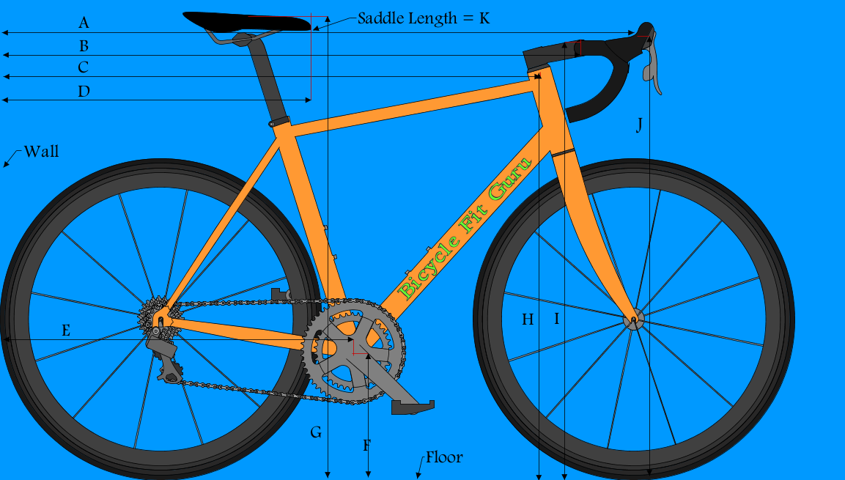
 |  |  |  |  |  | DATA
 |  |  |  |  |  | A
 |  |  |  |  |  | B
 |  |  |  |  |  | C
 |  |  |  |  |  | D
 |  |  |  |  |  | E
 |  |  |  |  |  | F
 |  |  |  |  |  | G
 |  |  |  |  |  | H
 |  |  |  |  |  | I
 |  |  |  |  |  | J
 |  |  |  |  |  | K

 |  |  |  |  |  | SADDLE
 |  |  |  |  |  | X | 0
 |  |  |  |  |  | Y | 0

 |  |  |  |  |  | HANDLEBAR
 |  |  |  |  |  | X | 0
 |  |  |  |  |  | Y | 0

 |  |  |  |  |  | GRIP
 |  |  |  |  |  | X | 0
 |  |  |  |  |  | Y | 0

 |  |  |  |  |  | STACK/REACH
 |  |  |  |  |  | X | 0
 |  |  |  |  |  | Y | 0

 |  | Instructions

 | Place Bicycle Upright Against a Corner-Wall with Rear Wheel Touching
 | Peovide the following Measurements in Millimeters
 |  |  | 1 | 2 | 3 | AVERAGE
A= | Wall to Grip @ Rise
B= | Wall to Top/Center Handlebar
C= | Wall to Top/Center Frame Head Tube
D= | Wall to Saddle Tip
E= | Wall to Center Bottom Bracket
F= | Floor to Center Bottom Bracket
G= | Floor to Top/Center Saddle
H= | Floor to Top/Center Frame Head Tube
I= | Floor to Top/Center Handlebar
J= | Floor to Grip @ Rise
k= | Saddle Tip to Tail

