Sheet1
Bicycle Fit Guru MTB/FAT Template

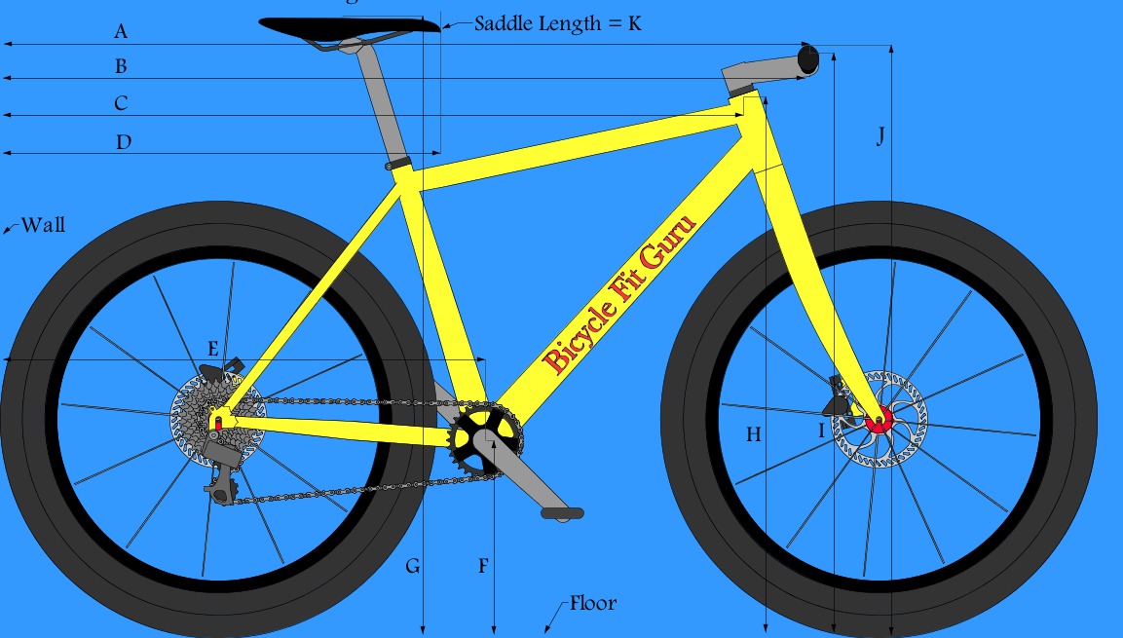
 |  |  |  |  |  | DATA
 |  |  |  |  |  | A | 0
 |  |  |  |  |  | B | 0
 |  |  |  |  |  | C | 0
 |  |  |  |  |  | D | 0
 |  |  |  |  |  | E | 0
 |  |  |  |  |  | F | 0
 |  |  |  |  |  | G | 0
 |  |  |  |  |  | H | 0
 |  |  |  |  |  | I | 0
 |  |  |  |  |  | J | 0
 |  |  |  |  |  | K | 0

 |  |  |  |  |  | SADDLE
 |  |  |  |  |  | X | 0
 |  |  |  |  |  | Y | 0

 |  |  |  |  |  | HANDLEBAR
 |  |  |  |  |  | X | 0
 |  |  |  |  |  | Y | 0

 |  |  |  |  |  | GRIP
 |  |  |  |  |  | X | 0
 |  |  |  |  |  | Y | 0

 |  |  |  |  |  | REACH/STACK
 |  |  |  |  |  | X | 0
 |  |  |  |  |  | Y | 0

 |  | Instructions

 | Place Bicycle Upright Against a Corner-Wall with Rear Wheel Touching
 | Provide the following Measurements in Centimeters
 |  |  | 1 | 2 | 3 | AVERAGE
A= | Wall to Grip @ Rise |  |  |  |  | 0
B= | Wall to Top/Center Handlebar |  |  |  |  | 0
C= | Wall to Top/Center Frame Head Tube |  |  |  |  | 0
D= | Wall to Saddle Tip |  |  |  |  | 0
E= | Wall to Center Bottom Bracket |  |  |  |  | 0
F= | Floor to Center Bottom Bracket |  |  |  |  | 0
G= | Floor to Top/Center Saddle |  |  |  |  | 0
H= | Floor to Top/Center Frame Head Tube |  |  |  |  | 0
I= | Floor to Top/Center Handlebar |  |  |  |  | 0
J= | Floor to Grip @ Rise |  |  |  |  | 0
k= | Saddle Tip to Tail |  |  |  |  | 0

